Instruction
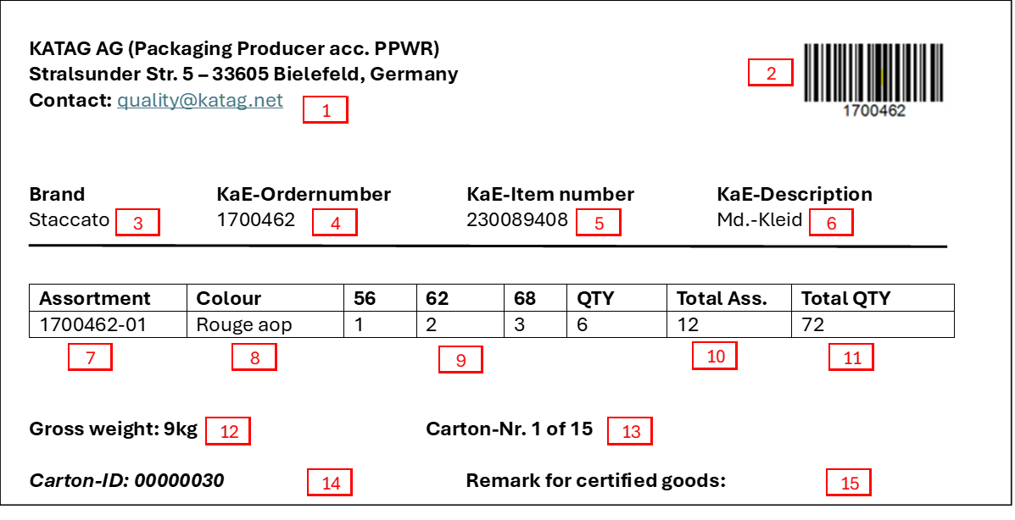
Carton Labelling:
 | Example of carton label for assortments:
Please only use printed stickers for carton labelling:

è Machine printing
è Handwritten corrections must be clearly legible
è Barcode 128 generated from EK orders

Carton labels must be affixed to both front sides:
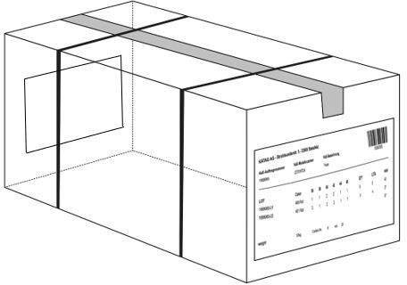
 |  | 1 | Name and address of recipient + contact details
 |  | 2 | Barcode (128) generated from purchase order number
 |  | 3 | KATAG brand name (e.g. Staccato, Clarina, Commander etc.)
 |  | 4 | Order number
 |  | 5 | Model number
 |  | 6 | Item Description
 |  | 7 | Lot no.
 | Example of carton label for single-variety delivery of individual pieces: | 8 | Color
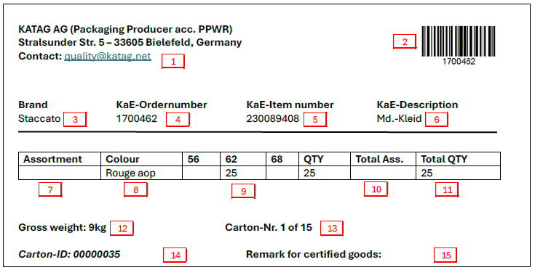
 |  | 9 | Sizes / assortment breakdown
 |  | 10 | Total assortments
Measurements of Carton Label and Barcode (128): |  | 11 | Total pieces
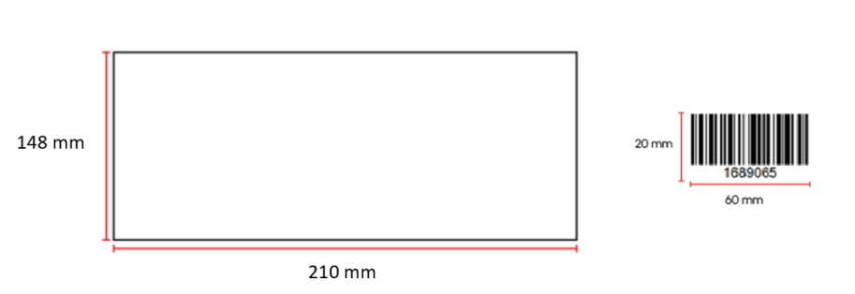
 |  | 12 | Gross weight of carton
 |  | 13 | Total number of cartons
 |  | 14 | Cardboard identification number - a unique number is required, which you determine based on the box size (30 x 20 x 20 cm = 00000030)
 |  | 15 | Note for certified articles (e.g. GOTS, OEKO-TEX)

Mixed cartons must be clearly labelled with a sticker:

A carton is considered a mixed carton if:
-the carton contains different purchase orders

